Main
1
2
3
4
5
Play 5 Lines
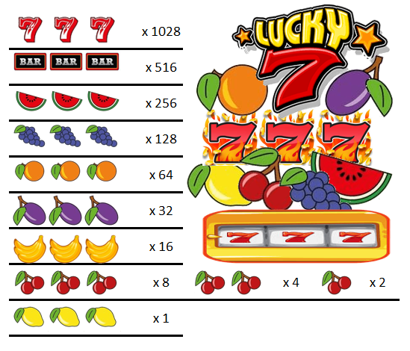



 |  | 114150 | 70400
CREDITS |  |  |  | BET | x 1028 |  | 5 | 7 | 6 | 0
$925 |  |  |  | 5 | x 516 |  | 1 | 7 | 5
Top Up
 |  |  |  | Line | x 256 |  | 2 | 8 | 2
 | 2nd & 4th PAYLINE |  |  | 5 | x 128
 | 1st PAYLINE |  |  | TOTAL BET | x 64
 | 3rd & 5th PAYLINE |  |  | 25 | x 32
SPIN
PAYOUT RATE |  |  |  |  | x 16
BET
LINE
61.67% |  |  |  |  | x 8 |  |  | x 4 |  | x 2
 |  |  |  |  | x 1

 |  |  |  |  | Lucky 7 Slots Simulator Ver 1.0 Programmed By Remy Lim 2017

